Sheet1
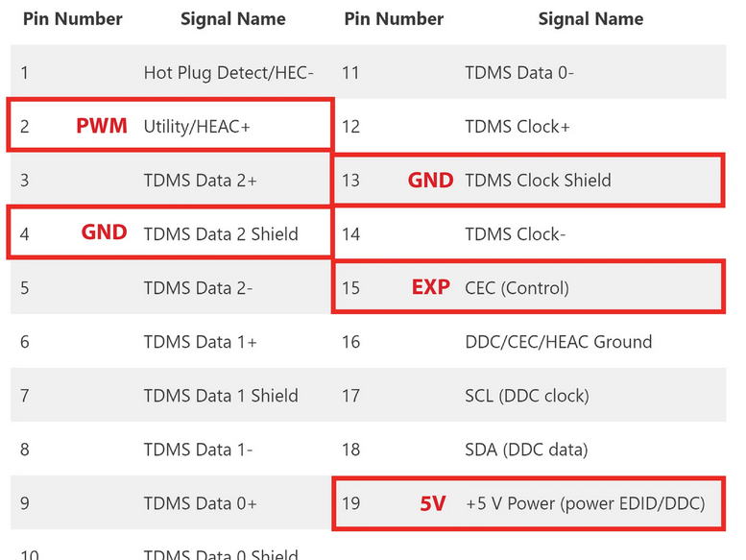
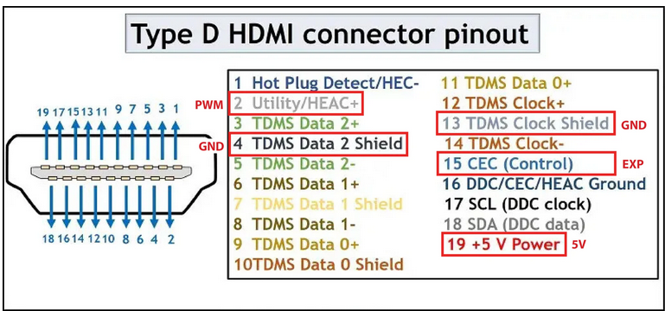
MAPIR SURVEY 3W

*HFOV = Horizontal Field of View | 87 deg
5.5cm/px (120m AGL) | alt=120m

All images are automatically geo-tagged using included GPS
PWM via HDMI Port
49.8g (No Battery), 75.4g (With Battery)

To capture a photo, send the camera a momentary | 2000us pulse

To enter media transfer mode, | 1500us
To exit | 1500us

